Sheet1
E
G
F
Phi | 1.6180339887
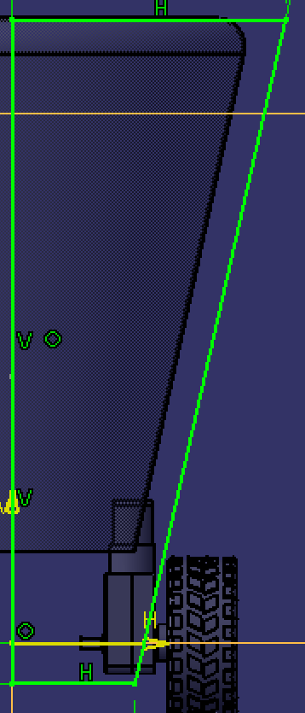
 |  |  |  |  | AD | 425.32543918
 |  |  |  |  | AC | 262.86557769
 |  |  |  |  | CD=AB | 162.45986149
 |  |  |  |  | BC (Base) | 100.40571621 |  | BC/GH | 0.40162283177
 |  |  |  |  | AH (AD/2) | 212.66271959
 |  |  |  |  | Inside Hex Angle | 108 | deg.
 |  |  |  |  | EF=AI=AH/sin(Inside Angle/2): | 262.86557769 |  | EF/AD | 0.61803
 |  |  |  |  | HI=AH * tan(Inside Angle/2) | 154.51

 |  |  |  | 425.33 | FI=AD | CI | 162.46
 |  |  |  | 262.86557769 | EF | BC | 100.40571621

 |  |  |  | 154.51 | HI | GI | 404.51
 | EF/GH | 0.52573111212 |  | 50.20 | HC (BC/2) | GF (EF/2) | 131.43
H
B
D
 |  |  |  |  | GH (Height) =GI-HI | 250.00
A
C

 |  |  |  |  | Cone Angle: | = acos(GI/FI)
 |  |  |  |  |  | 18.00 | deg.

I

 |  |  |  |  |  | mm
 |  |  | Given: |  | GH (Height): | 1

 |  |  | Results: |  | EF (Head): | 1.05146
 |  |  |  |  | BC (Base): | 0.40162
 |  |  |  |  | AD: | 1.7013016167

